IOU(Jaccard Index)
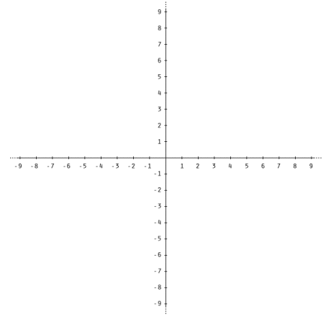
Boxes | Colour | dimension(x_min,y_min,x_max,y_max) | breadth | length | Area | lower_bound(max) | upper_bound(min) | intersection_length(upper_bound-lower_bound) | intersection_area | Union | Jaccard Index
Box1 | Green | 0,0,3,4 | 3 | 4 | 12 | NA | NA | NA | NA | NA | NA
Box2 | Red | 2,0,5,4 | 3 | 4 | 12 | 2,0 | 3,4 | 1,4 | 4 | 20 | 0.200
Box3 | Blue | 1,3,3,6 | 2 | 3 | 6 | 1,3 | 3,4 | 2,1 | 2 | 16 | 0.125
Box4 | Black | 1,0,2,2 | 1 | 2 | 2 | 1,0 | 2,2 | 1,2 | 2 | 12 | 0.167

Note:Column AB to AG is calculated based on keeping Box1 as reference box

